Cosmetic Inventory


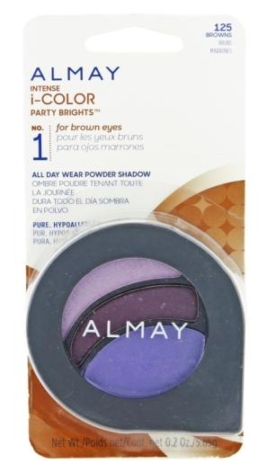
Item # | Product # | UPC | Description |  | Pack | TOTAL QTY | Retail | Price | QTY | Picture
ALMAY EYE PRODUCTS
ALM0137 | ALM0137 |  | Almay Intense iColor All Day Wear Powder Shadow - Assorted #8388-00, #1528-00 | Carded | 48 | 4,377 | $8.49 | $1.65
 | ALM0137b | 309978388036 | 115 Hazels (Everyday Neutrals) #8388-03, #1528-03 |  |  |  | $8.49 | $1.65 | 191
 | ALM0137c | 309978388043 | 120 Greens (Everyday Neutrals) #8388-04, #1528-04 |  |  |  | $8.49 | $1.65 | 388
 | ALM0137d | 309978388098 | 125 Browns (Party Brights) #8388-09, #1528-09 |  |  |  | $8.49 | $1.65 | 999
 | ALM0137f | 309978388111 | 135 Hazels (Party Brights) #8388-11, #1528-11 |  |  |  | $8.49 | $1.65 | 52
 | ALM0137g | 309978388128 | 140 Greens (Party Brights) #8388-12, #1528-12 |  |  |  | $8.49 | $1.65 | 281
 | ALM0137h | 309978388050 | 145 Browns (Evening Smoky) #8388-05, #1528-05 |  |  |  | $8.49 | $1.65 | 2466
ALM0174 | ALM0174 | 309975924480 | Almay Longwear & Waterproof Eye Makeup Remover Pads (80 Count) - Wipe It Never Happened #7415-90 | Loose | 48 | 9,734 | $6.99 | $1.90 | 9734 | 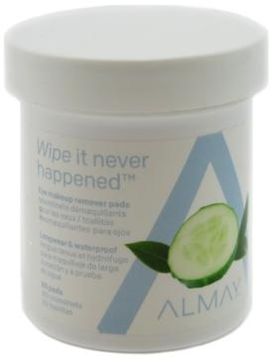
ALMAY FACE PRODUCTS
ALM0009 | ALM0009 |  | Almay Clear Complexion Liquid Makeup - Assorted #4745-00 | Loose | 48 | 999 | $12.99 | $2.75
 | ALM0009n | 309974745123 | 810 Almond #4745-12 |  |  |  | $12.99 | $2.75 | 484
 | ALM0009o | 309974745130 | 900 Cappuccino #4745-13 |  |  |  | $12.99 | $2.75 | 202
 | ALM0009p | 309974745147 | 910 Mocha #4745-14 |  |  |  | $12.99 | $2.75 | 313
ALM0145i | ALM0145i | 309979307098 309977713099 | Almay Age Essentials Multi-Benefit Anti-Aging Makeup - 180 Medium/Deep #9307-09 | Loose | 48 | 495 | $12.49 | $2.75 | 495
ALM0178 | ALM0178 |  | Almay Pressed Powder All Set No Shine - Assorted #0555-00 | Carded | 48 | 1,106 | $14.79 | $3.00 |  | 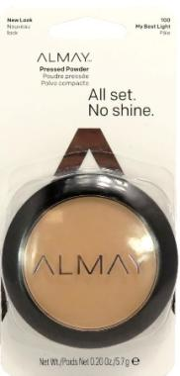
 | ALM0178c | 309978867050 | 500 Deep Like Me #0555-05 |  |  |  | $14.79 | $3.00 | 375
 | ALM0178d | 309978867067 | 600 Make Mine Dark #0555-06 |  |  |  | $14.79 | $3.00 | 731
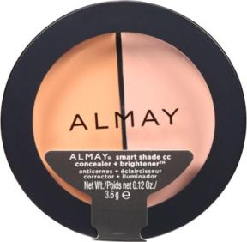
ALM0117 | ALM0117 |  | Almay Smart Shade Concealer + Brightener - Assorted #5351-00 | Loose | 48 | 1,816 | $8.99 | $2.00
 | ALM0117a | 309975351019 | 100 Light #5351-01 |  |  |  | $8.99 | $2.00 | 295
 | ALM0117b | 309975351026 | 200 Light / Medium #5351-02 |  |  |  | $8.99 | $2.00 | 226
 | ALM0117c | 309975351033 | 300 Medium #5351-03 |  |  |  | $8.99 | $2.00 | 1295
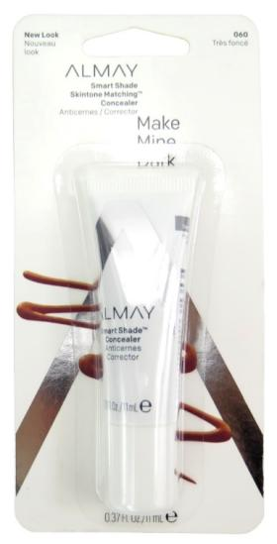
ALM0181 | ALM0181 |  | Almay Smart Shade Skintone Matching Concealer - Assorted #0574-00 | Carded | 48 | 2,264 | $9.49 | $2.00
 | ALM0181d | 309973757035 | 030 Straight Up Medium #0574-03 |  |  |  | $9.49 | $2.00 | 12
 | ALM0181c | 309977651049 | 040 Medium Meets Deep #0574-04 |  |  |  | $9.49 | $2.00 | 759
 | ALM0181a | 309977651056 | 050 Deep Like Me #0574-05 |  |  |  | $9.49 | $2.00 | 779
 | ALM0181b | 309977651063 | 060 Make Mine Dark #0574-06 |  |  |  | $9.49 | $2.00 | 714
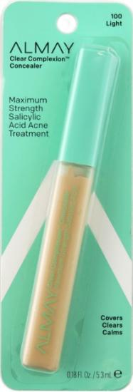
ALM0086 | ALM0086 |  | Almay Clear Complexion Concealer - Assorted #4645-00, 1222-03 | Carded | 72 | 312 | $10.22 | $2.00
 | ALM0086h | 309976768038 | 300 Medium (Covers Clears Calms) |  |  |  | $10.22 | $2.00 | 9
 | ALM0086d | 309974645041 | 400 Medium/Deep (Maximum Strength) #4645-04 |  |  |  | $10.22 | $2.00 | 278
 | ALM0086f | 309974645065 | 600 Dark (Maximum Strength) #4645-06 |  |  |  | $10.22 | $2.00 | 25
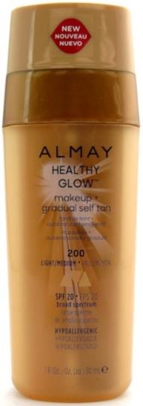
ALM0149 | ALM0149 |  | Almay Healthy Glow Makeup + Gradual Self Tan - Assorted #7646-00 | Loose | 48 | 1,781 | $14.99 | $3.00
 | ALM0149-asst |  | Assorted |  |  |  | $14.99 | $3.00 | 48
 | ALM0149a | 309977646014 | 100 Light #7646-01 |  |  |  | $14.99 | $3.00 | 1608
 | ALM0149b | 309977646021 | 200 Light/Medium #7646-02 |  |  |  | $14.99 | $3.00 | 125
ALM0093 | ALM0093 | 309977577080 | Almay Makeup - Free Zone Oil Free Eye Makeup Remover Liquid 4oz | Loose | 48 | 1,056 | $6.99 | $2.20 | 1056
ALM0172 | ALM0172 | 309974521024 | Almay Longwear Eye Makeup Remover Liquid 4 oz | Loose | 48 | 287 | $6.99 | $2.20 | 287
ALM0187 | ALM0187 | 309970078041 | Almay Biodegradable Longwear Makeup Remover Cleasing Towelettes (25 count) | Loose | 48 | 1,440 | $5.99 | $2.20 | 1440 | 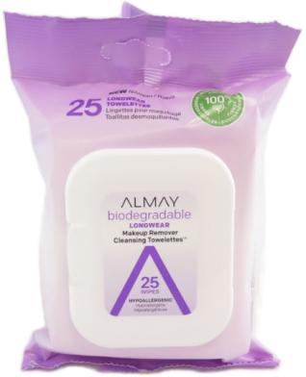
ALM0190 | ALM0190 | 309970078065 | Almay Biodegradable Micellar Makeup Remover Cleasing Towelettes (25 count) | Loose | 48 | 2,832 | $5.99 | $2.20 | 2832 | 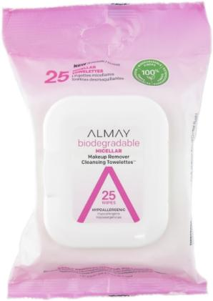
ALM0152 | ALM0152 | 309975924527 | Almay Clear Complexion 4-in-1 Makeup Remover Cleansing Towelettes (25 count) | Loose | 48 | 42 | $6.99 | $2.20 | 42 | 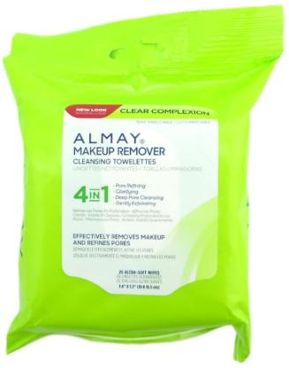
REVLON EYE PRODUCTS
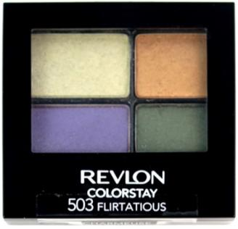
REV0212 | REV0212 |  | Revlon ColorStay 16 Hour Eye Shadow - Assorted #5217-00 | Loose | 48 | 9,766 | $7.49 | $2.20
 | REV0212-asst |  | Assorted #5217-00 |  |  |  | $7.49 | $2.20 | 48
 | REV0212b | 309975217247 | 503 Flirtatious #5217-24 |  |  |  | $7.49 | $2.20 | 1438
 | REV0212g | 309975217261 | 526 Romantic #5217-26 |  |  |  | $7.49 | $2.20 | 1808
 | REV0212h | 309975217254 | 528 Passionate #5217-25 |  |  |  | $7.49 | $2.20 | 694
 | REV0212k | 309975217171 309978535171 | 580 Free Spirit #5217-17 |  |  |  | $7.49 | $2.20 | 1765
 | REV0212m | 309975217230 | 584 Surreal #5217-23 |  |  |  | $7.49 | $2.20 | 4013
REV0461 | REV0461 |  | Revlon ColorStay Crème Shadow - Assorted #7641-00 | Loose | 48 | 562 | $8.49 | $2.25 |  | 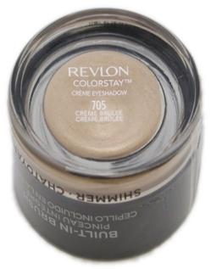
 | REV0461-asst |  | Assorted |  |  |  | $8.49 | $2.25 | 26
 | REV0461i | 309977641026 | 745 Cherry Blossom |  |  |  | $8.49 | $2.25 | 536
REV0533a | REV0533a | 309978673033 | Revlon Photoready Palette - 003 Holographic Galaxy Dream (Highlighting Palette) | Loose | 48 | 1,055 | $9.99 | $3.50 | 1,055 | 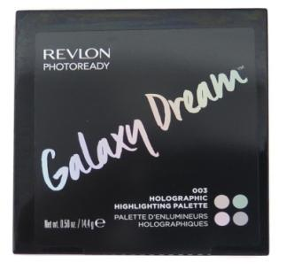
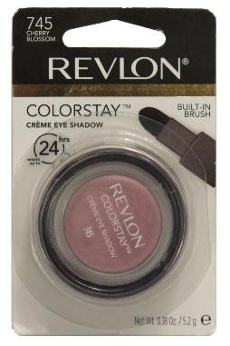
REV0534 | REV0534 |  | Revlon Colorstay Cream Eye Shadow - Assorted #5190-00,2832-00 | Carded | 48 | 555 | $7.99 | $2.25
 | REV0534a | 309977641071 | 715 Espresso #2832-07 |  |  |  | $7.99 | $2.25 | 457
 | REV0534b | 309977641026 | 745 Cherry Blossom #5190-02 |  |  |  | $7.99 | $2.25 | 98
REV0434a | REV0434a | 309974229012 | Revlon ColorStay Brow Mousse - 401 Blonde #4229-01 | Carded | 48 | 1,080 | $10.99 | $2.20 | 1080
REV0566a | REV0566a | 309972249012 | Revlon Colorstay Shape & Glow Brow Marker And Highlighter - 250 Soft Black | Carded | 48 | 624 | $9.99 | $2.20 | 624
REVLON FACE PRODUCTS
REV0518a | REV0518a | 309973130012 | Revlon ColorCharge Pressed Highlighter - 100 Highlight #3130-01 | Loose | 48 | 1,054 | $14.99 | $3.30 | 1054 | 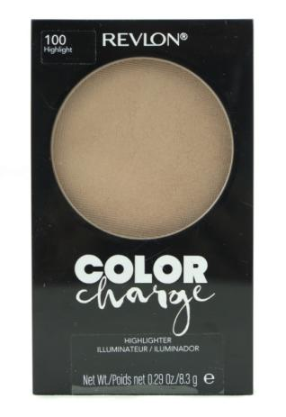
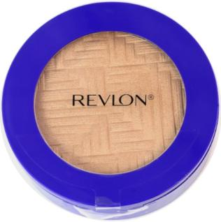
REV0535 | REV0535 |  | Revlon Highlighter - Assorted | Loose | 36 | 1,288 | $12.99 | $3.50
 | REV0535a | 309970004705 | 301 Light It Up |  |  |  | $12.99 | $3.50 | 270
 | REV0535b | 309970004637 | 302 Glitz Bomb |  |  |  | $12.99 | $3.50 | 337
 | REV0535c | 309970005139 | 303 Glowed Up |  |  |  | $12.99 | $3.50 | 380
 | REV0535d | 309970005122 | 304 Prismatic Light |  |  |  | $12.99 | $3.50 | 301
REVLON IMPLEMENTS
REV0548 | REV0548 | 309970001179 | Revlon Mascara and Lash Guard with Comb | Carded | 36 | 1,689 | $4.49 | $1.30 | 1689 | 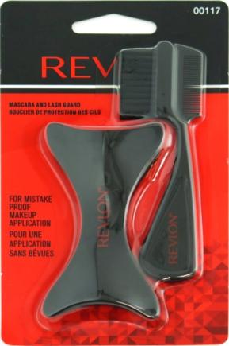
REV0549 | REV0549 |  | Revlon Cleanse & Brighten Konjac Sponge - Assorted | Bagged | 36 | 43 | $5.49 | $2.20 |  | 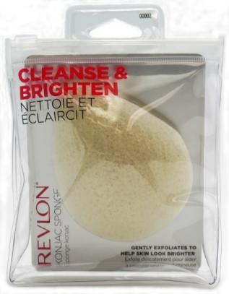
 | REV0549a | 309970000028 | Original |  |  |  | $5.49 | $2.20 | 22
 | REV0549b | 309970019594 | Charcoal |  |  |  | $5.49 | $2.20 | 21
REV0562 | REV0562 | 309979596690 | Revlon 4-In-1 Blending Sponge | Boxed | 72 | 1,200 | $8.99 | $2.40 | 1200 | 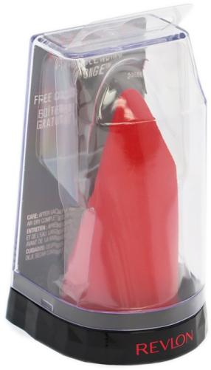
REV0563 | REV0563 | 309970055257 | Revlon Dual Sided Applicator | Boxed | 36 | 648 | $8.99 | $2.40 | 648 | 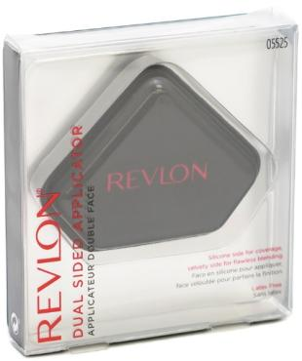
REV0311 | REV0311 | 309979806423 | Revlon Designer Nail File | Pack | 72 | 1,200 | $3.99 | $0.60 | 1200
REVLON LIP PRODUCTS
REV0377 | REV0377 |  | Revlon ColorStay Moisture Stain - Assorted #5749-00 | Loose | 72 | 987 | $9.99 | $1.65
 | REV0377b | 309975749113 | 005 Parisian Passion |  |  |  | $9.99 | $1.65 | 33
 | REV0377d | 309975749076 | 015 Barcelona Nights #5749-07 |  |  |  | $9.99 | $1.65 | 76
 | REV0377f | 309975749052 | 025 Cannes Crush |  |  |  | $9.99 | $1.65 | 147
 | REV0377g | 309975749045 | 030 Milan Moment #5749-04 |  |  |  | $9.99 | $1.65 | 310
 | REV0377k | 309975749120 | 050 London Posh #5749-12 |  |  |  | $9.99 | $1.65 | 332
 | REV0377k | 3099757490452 | 050 London Posh |  |  |  | $9.99 | $1.65 | 89
REV0080NEWa | REV0080NEWa | 309973025110 | Revlon Super Lustrous Lipstick - 057 Power Move | Loose | 72 | 48 | $8.99 | $4.00 | 48 | 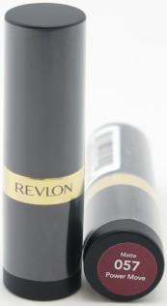
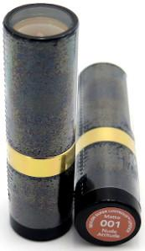
REV0080 | REV0080 |  | Revlon Super Lustrous Lipstick - Assorted #1508-00, 3849-00, 1217-00 | Loose | 72 | 1,728 | $8.99 | $2.00
 | REV0080a | 309971415012 | 001 Nude Attitude |  |  |  | $8.99 | $2.00 | 228
 | REV0080d | 309971415067 | 006 Really Red |  |  |  | $8.99 | $2.00 | 156
 | REV0080db | 309971415135 | 013 Smoked Peach |  |  |  | $8.99 | $2.00 | 168
 | REV0080y | 080100004917 | 240 Sandalwood Beige |  |  |  | $8.99 | $2.00 | 72
 | REV0080bu | 080100004511 | 720 Fire & Ice |  |  |  | $8.99 | $2.00 | 300
 | REV0080ds | 080100004641 | 730 Revlon Red |  |  |  | $8.99 | $2.00 | 204
 | REV0080ca | 309972924155 | 815 Fuchsia Shock |  |  |  | $8.99 | $2.00 | 300
 | REV0080ci | 309972924506 | 850 Plum Velour (Sheer) |  |  |  | $8.99 | $2.00 | 300
REV0394 | REV0394 |  | Revlon Ultra HD Matte Lipcolor - Assorted | Loose | 72 | 1,867 | $9.99 | $2.20
 | REV0394-asst |  | Assorted #8161-00 |  |  |  | $9.99 | $2.20 | 72
 | REV0394b | 309978161028 | 605 HD Obsession |  |  |  | $9.99 | $2.20 | 499
 | REV0394d | 309978161165 | 615 HD Temptation |  |  |  | $9.99 | $2.20 | 297
 | REV0394k | 309978161240 | 650 HD Spark |  |  |  | $9.99 | $2.20 | 315
 | REV0394n | 309978161264 | 665 HD Intensity |  |  |  | $9.99 | $2.20 | 323
 | REV0394o | 309978161301 | 670 HD Crush |  |  |  | $9.99 | $2.20 | 361
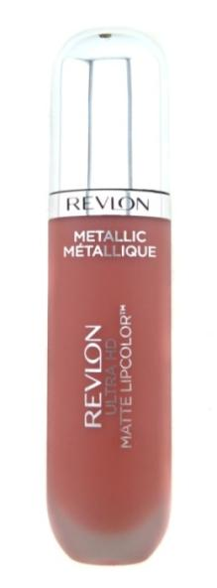
REV0509 | REV0509 |  | Revlon Ultra HD Metallic Matte Lipcolor - Assorted #4372-00 | Loose | 72 | 5,566 | $9.99 | $2.20
 | REV0509-asst |  | Assorted #4372-00 |  |  |  | $9.99 | $2.20 | 72
 | REV0509a | 309974372275 | 680 HD Glam |  |  |  | $9.99 | $2.20 | 607
 | REV0509b | 309974372268 | 685 HD Glitz #4372-26 |  |  |  | $9.99 | $2.20 | 2401
 | REV0509c | 309974372213 | 690 HD Gleam |  |  |  | $9.99 | $2.20 | 374
 | REV0509e | 309974372237 | 705 HD Shine |  |  |  | $9.99 | $2.20 | 305
 | REV0509f | 309974372220 | 710 HD Dazzle #4372-22 |  |  |  | $9.99 | $2.20 | 287
 | REV0509g | 309974372251 | 715 HD Glow |  |  |  | $9.99 | $2.20 | 522
 | REV0509h | 309974372282 | 720 HD Luster #4372-28 |  |  |  | $9.99 | $2.20 | 998
REV0393 | REV0393 |  | Revlon Ultra HD Gel Lipcolor - Assorted | Loose | 72 | 1,064 | $9.49 | $2.20
 | REV0393a | 309977862131 | 700 HD Sand |  |  |  | $9.49 | $2.20 | 76
 | REV0393b | 309977862155 | 705 HD Dawn |  |  |  | $9.49 | $2.20 | 168
 | REV0393k | 309977862117 | 725 HD Sunset |  |  |  | $9.49 | $2.20 | 168
 | REV0393l | 309977862094 | 730 HD Tropical |  |  |  | $9.49 | $2.20 | 168
 | REV0393c | 309977862018 | 750 HD Lava |  |  |  | $9.49 | $2.20 | 148
 | REV0393j | 309977862063 | 765 HD Blossom |  |  |  | $9.49 | $2.20 | 168
 | REV0393d | 309977862056 | 770 HD Twilight |  |  |  | $9.49 | $2.20 | 168
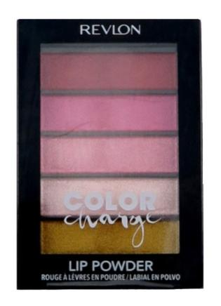
REV0520 | REV0520 |  | Revlon Color Charge Lip Powder - Assorted #1163-00 | Loose | 48 | 2,043 | $10.99 | $2.00
 | REV0520a | 309971163012 | 101 High Fever #1163-01 |  |  |  | $10.99 | $2.00 | 1119
 | REV0520b | 309971163029 | 102 Peach Pucker #1163-02 |  |  |  | $10.99 | $2.00 | 924
REV0351b | REV0351b | 309975309058 | Revlon Ultra HD Lip Lacquer - 510 HD Tourmaline | Loose | 72 | 72 | $9.99 | $2.00 | 72
REVLON NAIL PRODUCTS
REV0084 | REV0084 |  | Revlon Nail Enamel - Assorted (NEW) | Loose | 72 | 1,943 | $4.99 | $0.90
 | REV0084ej | 309978435655 | 522 Magnetic |  |  |  | $4.99 | $0.90 | 359
 | REV0084em | 033000000077 | 580 Eclectic |  |  |  | $4.99 | $0.90 | 360
 | REV0084db | 309978743064 | 641 Adventurous |  |  |  | $4.99 | $0.90 | 1224
 |  |  | 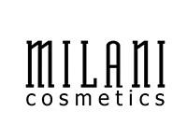
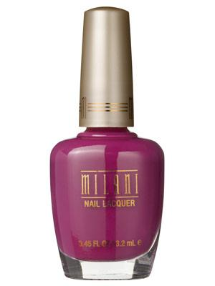
MIL0002 | MIL0002 |  | Milani Nail Lacquer - Assorted | Loose | 100 | 137 | $6.99 | $0.60
 | MIL0002-asst |  | Assorted |  |  |  | $6.99 | $0.60 | 137
 | MIL0002a | 717489992015 | Base Coat / Nail Grow |  |  |  | $6.99 | $0.60
 | MIL0002b | 717489814010 | 01 Purple Rush |  |  |  | $6.99 | $0.60
 | MIL0002c | 717489990073 | 07 Pretty In Porcelain |  |  |  | $6.99 | $0.60
 | MIL0002d | 717489990080 | 08 Pink Lady |  |  |  | $6.99 | $0.60
 | MIL0002e | 717489990097 | 09 La Vie En Rose |  |  |  | $6.99 | $0.60
 | MIL0002f | 717489990110 | 11 #1 Hottest Pink |  |  |  | $6.99 | $0.60
 | MIL0002g | 717489990134 | 13 Magenta Metal |  |  |  | $6.99 | $0.60
 | MIL0002h | 717489990172 | 17 Purple Passion |  |  |  | $6.99 | $0.60
 | MIL0002i | 717489990196 | 19 Breezy |  |  |  | $6.99 | $0.60
 | MIL0002j | 717489990240 | 24 Red To Tango |  |  |  | $6.99 | $0.60
 | MIL0002k | 717489990288 | 28 Black Cherry |  |  |  | $6.99 | $0.60
 | MIL0002l | 717489990295 | 29 Good Morning Sunshine |  |  |  | $6.99 | $0.60
 | MIL0002m | 717489990325 | 32 Bijou Bronze |  |  |  | $6.99 | $0.60
 | MIL0002n | 717489990349 | 34 Foxy Lady |  |  |  | $6.99 | $0.60
 | MIL0002o | 717489990370 | 37 Black Magic |  |  |  | $6.99 | $0.60
 | MIL0002p | 717489996433 | 43A Cappuccino |  |  |  | $6.99 | $0.60
 | MIL0002q | 717489990479 | 47 Cherry Pie |  |  |  | $6.99 | $0.60
 | MIL0002r | 717489990516 | 51 Just Juicy |  |  |  | $6.99 | $0.60
 | MIL0002s | 717489990660 | 66 Pink Pop |  |  |  | $6.99 | $0.60
 | MIL0002t | 717489990677 | 67 Juicy Glo |  |  |  | $6.99 | $0.60
 | MIL0002u | 717489990851 | 85 Bolting Blue |  |  |  | $6.99 | $0.60
 | MIL0002v | 717489990912 | 91 Gold Dust |  |  |  | $6.99 | $0.60
 | MIL0002w | 717489991018 | 101 Lemongello |  |  |  | $6.99 | $0.60
 | MIL0002x | 717489991025 | 102 Wild Violet |  |  |  | $6.99 | $0.60
 | MIL0002y | 717489991056 | 105 MS Milani |  |  |  | $6.99 | $0.60
 | MIL0002z | 717489991063 | 106 Midnight Satin |  |  |  | $6.99 | $0.60
 | MIL0002aa | 717489993012 | 301 White |  |  |  | $6.99 | $0.60
 | MIL0002ab | 717489993029 | 302 Angel Pink |  |  |  | $6.99 | $0.60
 | MIL0002ac | 717489993036 | 303 Paradise Pink |  |  |  | $6.99 | $0.60
 | MIL0002ad | 717489993067 | 306 Crème Brulee |  |  |  | $6.99 | $0.60
 | MIL0002ae | 717489845014 | 501 Techno Red |  |  |  | $6.99 | $0.60
 | MIL0002af | 717489845038 | 503 Totally 80's |  |  |  | $6.99 | $0.60
 | MIL0002ag | 717489845212 | 521 Red Sparkle |  |  |  | $6.99 | $0.60
 | MIL0002ah | 717489845236 | 523 Blue Flash |  |  |  | $6.99 | $0.60
 | MIL0002ai | No UPC | 703 Black Sketch |  |  |  | $6.99 | $0.60
 | MIL0002aj | No UPC | 704 White Canvas |  |  |  | $6.99 | $0.60
 | MIL0002ak | No UPC | 707 Blue Print |  |  |  | $6.99 | $0.60
 | MIL0002al | 717489998307 | 830 One of a Kind |  |  |  | $6.99 | $0.60
 |  |  | 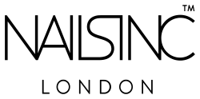
NLI0001 | NLI0001 |  | Nails Inc Nail Polish - Assorted | Loose | 72 | 5,901 | $15.00 | $1.10
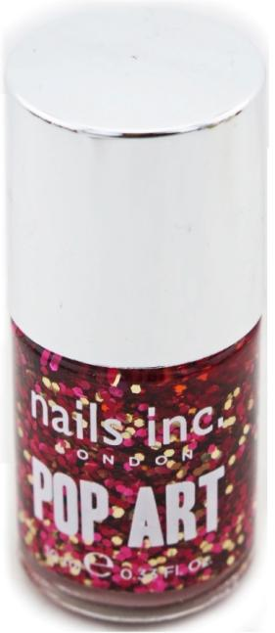
 | NLI0001a | 840090051335 | Belgravia Place (Fibre Optic) |  |  |  | $15.00 | $1.10 | 106
 | NLI0001b | 840090045754 | Bermondsey (Denim Effect) |  |  |  | $15.00 | $1.10 | 102
 | NLI0001c | 840090040070 | Blenheim Terrace |  |  |  | $15.00 | $1.10 | 45
 | NLI0001d | 840090065202 | Bow Streets (Polka Dots) |  |  |  | $15.00 | $1.10 | 108
 | NLI0001e | 840090050758 | Buckingham Court (Galaxy) |  |  |  | $15.00 | $1.10 | 115
 | NLI0001f | 840090018390 | Cadogan Square |  |  |  | $15.00 | $1.10 | 120
 | NLI0001g | 840090043125 | Cale Street |  |  |  | $15.00 | $1.10 | 108
 | NLI0001h | 840090025688 | Carnaby Street |  |  |  | $15.00 | $1.10 | 102
 | NLI0001j | 840090059188 | Cavendish Place (Pop Art) |  |  |  | $15.00 | $1.10 | 115
 | NLI0001i | 840090046997 | Chancery Lane (Beaded Polish) |  |  |  | $15.00 | $1.10 | 34
 | NLI0001k | 840090026210 | Chelsea Embankment |  |  |  | $15.00 | $1.10 | 114
 | NLI0001l | 840090044979 | Chelsea Physic Garden |  |  |  | $15.00 | $1.10 | 114
 | NLI0001m | 840090057504 | Chester Gate |  |  |  | $15.00 | $1.10 | 52
 | NLI0001n | 840090047703 | Clerkenwell (Leather Effect) |  |  |  | $15.00 | $1.10 | 76
 | NLI0001o | 840090043057 | Cornwall (Feathers) |  |  |  | $15.00 | $1.10 | 69
 | NLI0001p | 840090070411 | Cornwall Road |  |  |  | $15.00 | $1.10 | 107
 | NLI0001q | 840090051793 | Cromwell Road (Modern Art) |  |  |  | $15.00 | $1.10 | 26
 | NLI0001r | 840090065189 | Dovehouse Street (Pop Art) |  |  |  | $15.00 | $1.10 | 101
 | NLI0001s | 840090044542 | Edinburgh (Feathers) |  |  |  | $15.00 | $1.10 | 108
 | NLI0001t | 840090057474 | Edwards Mews |  |  |  | $15.00 | $1.10 | 108
 | NLI0001u | 840090043132 | Elystan Street |  |  |  | $15.00 | $1.10 | 46
 | NLI0001v | 840090058952 | Floral Street Mews (Floral) |  |  |  | $15.00 | $1.10 | 55
 | NLI0001w | 840090022601 | Foubert's Place |  |  |  | $15.00 | $1.10 | 114
 | NLI0001x | 840090058976 | Glastonbury (Festival) |  |  |  | $15.00 | $1.10 | 106
 | NLI0001y | 840090044993 | Green Park |  |  |  | $15.00 | $1.10 | 89
 | NLI0001z | 840090065196 | Grosvenor Hill (Polka Dots) |  |  |  | $15.00 | $1.10 | 106
 | NLI0001aa | 840090033867 | Hampstead Gardens |  |  |  | $15.00 | $1.10 | 104
 | NLI0001ab | 840090059256 | Highbury |  |  |  | $15.00 | $1.10 | 107
 | NLI0001ad | 840090067213 | Imperial Road |  |  |  | $15.00 | $1.10 | 28
 | NLI0001ae | 840090051274 | Kensington High Street |  |  |  | $15.00 | $1.10 | 33
 | NLI0001af | 840090066988 | Kingsgate Parade |  |  |  | $15.00 | $1.10 | 97
 | NLI0001ag | 840090059201 | Knightsbridge Place (Pop Art) |  |  |  | $15.00 | $1.10 | 108
 | NLI0001ah | 840090050727 | Knightsbridge Road (Galaxy) |  |  |  | $15.00 | $1.10 | 108
 | NLI0001ai | 840090036073 | Ladbroke |  |  |  | $15.00 | $1.10 | 107
 | NLI0001aj | 840090047789 | Ladbroke Grove (Leather Effect) |  |  |  | $15.00 | $1.10 | 58
 | NLI0001ak | 840090062720 | Lamont Road |  |  |  | $15.00 | $1.10 | 114
 | NLI0001al | 840090057436 | The Little Boltons |  |  |  | $15.00 | $1.10 | 88
 | NLI0001am | 840090065219 | London Street (Hearts) |  |  |  | $15.00 | $1.10 | 108
 | NLI0001an | 840090060221 | Mayfair Lane |  |  |  | $15.00 | $1.10 | 76
 | NLI0001ao | 840090051298 | Mayfair Mews (Fibre Optic) |  |  |  | $15.00 | $1.10 | 108
 | NLI0001ap | 840090051786 | Millbank (Modern Art) |  |  |  | $15.00 | $1.10 | 48
 | NLI0001aq | 840090044207 | Noho-leather Look Lid (Leather Effect) |  |  |  | $15.00 | $1.10 | 114
 | NLI0001ar | 840090040773 | Old Street (Graffiti) |  |  |  | $15.00 | $1.10 | 107
 | NLI0001as | 840090049707 | Oxford Street |  |  |  | $15.00 | $1.10 | 101
 | NLI0001at | 840090057443 | Palace Street |  |  |  | $15.00 | $1.10 | 114
 | NLI0001au | 840090065110 | Princes Place |  |  |  | $15.00 | $1.10 | 133
 | NLI0001av | 840090058938 | Queensgate Gardens (Floral) |  |  |  | $15.00 | $1.10 | 130
 | NLI0001aw | 840090059263 | Ranelagh Gardens |  |  |  | $15.00 | $1.10 | 60
 | NLI0001ax | 840090043149 | Redburn Street |  |  |  | $15.00 | $1.10 | 138
 | NLI0001ay | 840090043101 | Redcliffe Road |  |  |  | $15.00 | $1.10 | 28
 | NLI0001az | 840090034833 | Royal Arcade (Nail Jewellery) |  |  |  | $15.00 | $1.10 | 124
 | NLI0001ba | 840090065172 | Royal Avenue (Pop Art) |  |  |  | $15.00 | $1.10 | 128
 | NLI0001bb | 840090067022 | Savoy Street |  |  |  | $15.00 | $1.10 | 97
 | NLI0001bc | 840090044665 | Shoreditch Lane (Leather Effect) |  |  |  | $15.00 | $1.10 | 121
 | NLI0001bd | 840090062294 | Showfield Street |  |  |  | $15.00 | $1.10 | 71
 | NLI0001be | 840090050826 | South Kensington (Foil) |  |  |  | $15.00 | $1.10 | 115
 | NLI0001bf | 840090009138 | St John's Wood |  |  |  | $15.00 | $1.10 | 138
 | NLI0001bi | 840090059195 | Upper Street (Pop Art) |  |  |  | $15.00 | $1.10 | 138
 | NLI0001bj | 840090065158 | Victoria Gardens (Bling Bling) |  |  |  | $15.00 | $1.10 | 130
 | NLI0001bk | 840090029310 | Vigo Street |  |  |  | $15.00 | $1.10 | 138
 | NLI0001bl | 840090056248 | Warwick Road |  |  |  | $15.00 | $1.10 | 138
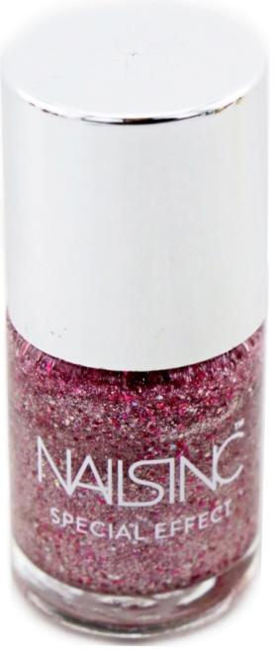
NLI0003 | NLI0003 |  | Nails Inc Nail Polish Special Effects - Assorted | Loose | 144 | 3,250 | $15.00 | $1.10
 | NLI0003a | 840090067190 | Abbey Gardens |  |  |  | $15.00 | $1.10 | 108
 | NLI0003b | 840090067107 | Angel Lane |  |  |  | $15.00 | $1.10 | 108
 | NLI0003c | 840090024674 | Bedford Square |  |  |  | $15.00 | $1.10 | 123
 | NLI0003d | 840090024582 | Bloomsbury Square |  |  |  | $15.00 | $1.10 | 108
 | NLI0003e | 840090066919 | Bolton Gardens |  |  |  | $15.00 | $1.10 | 108
 | NLI0003f | 840090060337 | Buckingham Square |  |  |  | $15.00 | $1.10 | 108
 | NLI0003g | 840090068630 | Chester Square |  |  |  | $15.00 | $1.10 | 108
 | NLI0003h | 840090036462 | Cheyne Walk |  |  |  | $15.00 | $1.10 | 44
 | NLI0003j | 840090026104 | Connaught Square |  |  |  | $15.00 | $1.10 | 108
 | NLI0003i | 840090067527 | Derby Gate |  |  |  | $15.00 | $1.10 | 108
 | NLI0003k | 840090060344 | Honey Court |  |  |  | $15.00 | $1.10 | 108
 | NLI0003l | 840090060320 | Knightsbridge |  |  |  | $15.00 | $1.10 | 108
 | NLI0003m | 840090068623 | London Lane |  |  |  | $15.00 | $1.10 | 107
 | NLI0003n | 840090033959 | Marylebone |  |  |  | $15.00 | $1.10 | 12
 | NLI0003o | 840090062706 | Munro Terrace |  |  |  | $15.00 | $1.10 | 108
 | NLI0003p | 840090062270 | Ormonde Gate |  |  |  | $15.00 | $1.10 | 108
 | NLI0003q | 840090067060 | Plumtree Court |  |  |  | $15.00 | $1.10 | 99
 | NLI0003r | 840090055968 | Portobello Gardens |  |  |  | $15.00 | $1.10 | 126
 | NLI0003s | 840090067046 | Red Lion Street |  |  |  | $15.00 | $1.10 | 132
 | NLI0003t | 840090066964 | Rochester Street |  |  |  | $15.00 | $1.10 | 132
 | NLI0003u | 840090066926 | Roland Way |  |  |  | $15.00 | $1.10 | 132
 | NLI0003v | 840090067176 | Rose Alley |  |  |  | $15.00 | $1.10 | 132
 | NLI0003w | 840090068616 | St Georges Square |  |  |  | $15.00 | $1.10 | 104
 | NLI0003x | 840090067183 | Stanford Street |  |  |  | $15.00 | $1.10 | 19
 | NLI0003y | 840090035229 | Stratford |  |  |  | $15.00 | $1.10 | 132
 | NLI0003z | 840090036899 | Sugar House Lane |  |  |  | $15.00 | $1.10 | 132
 | NLI0003aa | 840090067152 | Swan Lane |  |  |  | $15.00 | $1.10 | 132
 | NLI0003ab | 840090060313 | Trafalgar Square |  |  |  | $15.00 | $1.10 | 132
 | NLI0003ac | 840090066971 | Willow Place |  |  |  | $15.00 | $1.10 | 132
 | NLI0003ad | 840090067138 | Windsor Place |  |  |  | $15.00 | $1.10 | 132
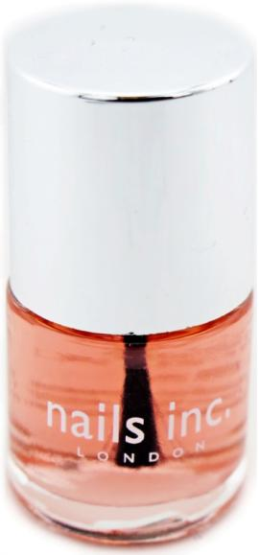
NLI0002 | NLI0002 |  | Nails Inc Nail Treatment - Assorted | Loose | 144 | 204 | $15.00 | $1.35
 | NLI0002a | 840090004980 | Albert Bridge (8mL) |  |  |  | $15.00 | $1.35 | 36
 | NLI0002b | 840090004997 | Basecoat A&E (8mL) |  |  |  | $15.00 | $1.35 | 36
 | NLI0002c | 840090005000 | Basecoat Caviar (8mL) Clear Bottle |  |  |  | $15.00 | $1.35 | 36
 | NLI0002d | 840090067435 | Basecoat Caviar (10mL) Clear Bottle |  |  |  | $15.00 | $1.35 | 36
 | NLI0002e | 840090009091 | Topcoat Caviar (8mL) |  |  |  | $15.00 | $1.35 | 24
 | NLI0002f | 840090003709 | Chelsea Bridge UV Topcoat Loose |  |  |  | $15.00 | $1.35 | 36
 |  |  | LA CROSS
LAC0014 | LAC0014 | 075280019981 | La Cross Nose Hair Nipper Sleek & Precise | Carded | 72 | 212 | $6.95 | $1.50 | 212 | 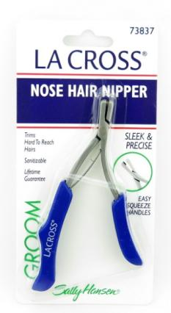
 |  |  | Confetti
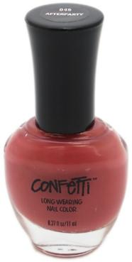
CON0001 | CON0001 |  | Confetti Long Wearing Nail Color - Assorted | Loose | 72 | 224 | $1.99 | $0.50
 | CON0001a | 815225010228 | 045 After Party |  |  |  | $1.99 | $0.50 | 65
 | CON0001b | 815225010266 | 053 Papa-Razzi |  |  |  | $1.99 | $0.50 | 68
 | CON0001c | 815225010471 | 095 Black Tie |  |  |  | $1.99 | $0.50 | 91

WET0096 | WET0096 |  | Wet n Wild Mixed Cosmetics |  | 300 | 180,803 |  | $1.35 | 180803
Wet n Wild Eye Products
WET0065 | WET0065 |  | Wet n Wild Megalast Retractable Eyeliner - Assorted | Loose | 72 | 428 | $2.99 | $1.00
 | WET0065-asst |  | Assorted |  |  |  | $2.99 | $1.00 | 67
 | WET0065b | 077802569417 | 694A Charcoal |  |  |  | $2.99 | $1.00 | 185
 | WET0065c | 077802569516 | 695A Navy |  |  |  | $2.99 | $1.00 | 176
WET0076 | WET0076 | 077802584922 | Wet n Wild Photofocus Lash Primer - 849B Committed a Prime | Boxed | 72 | 33 | $5.76 | $1.65 | 33
Wet n Wild Face Products
WET0078 | WET0078 | 077802802569 | Wet n Wild Mini Hello Halo 3 Pcs Set | Boxed | 12 | 57 | $16.50 | $4.40 | 57 | 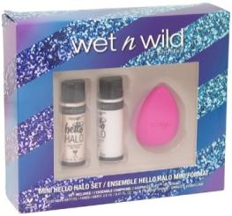
Wet n Wild Lip Products
WET0001 | WET0001 |  | Wet n Wild MegaSlicks Lip Gloss - Assorted | Loose | 72 | 698 | $2.99 | $1.00
 | WET0001-asst |  | Assorted |  |  |  | $2.99 | $1.00 | 177
 | WET0001q | 077802554840 | 548D Berries Treasure |  |  |  | $2.99 | $1.00 | 30
 | WET0001c | 077802556226 | 562B Cherry Glaze |  |  |  | $2.99 | $1.00 | 88
 | WET0001e | 077802212191 | 564A Cherish |  |  |  | $2.99 | $1.00 | 37
 | WET0001g | 077802005663 | 566 Strawberry Ice |  |  |  | $2.99 | $1.00 | 40
 | WET0001h | 077802556721 | 567B In a Tutu |  |  |  | $2.99 | $1.00 | 94
 | WET0001m | 077802557919 | 579A Seedless Watermelon |  |  |  | $2.99 | $1.00 | 59
 | WET0001n | 077802558008 | 580 Panning For Gold |  |  |  | $2.99 | $1.00 | 114
 | WET0001o | 077802558114 | 581A Mauve-jave Desert |  |  |  | $2.99 | $1.00 | 59
WET0069-asst | WET0069-asst |  | Wet n Wild Mega Shield Lip Color - Assorted | Loose | 72 | 77 | $2.99 | $1.10 | 77
Wet n Wild Nail Products
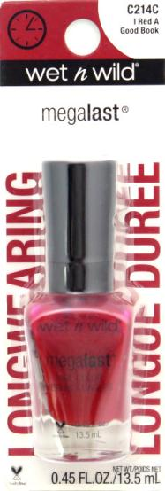
WET0053 | WET0053 |  | Wet n Wild 1 Step Wonder Gel - Assorted | Carded | 72 | 181 | $4.99 | $1.35
 | WET0053a | 077802420138 | C201C Wet Cement |  |  |  | $4.99 | $1.35 | 19
 | WET0053c | 077802420633 | C206C Undercover |  |  |  | $4.99 | $1.35 | 39
 | WET0053d | 077802421432 | C214C I Red A Good Book |  |  |  | $4.99 | $1.35 | 48
 | WET0053e | 077802421722 | C217B Disturbia |  |  |  | $4.99 | $1.35 | 75
WET0054 | WET0054-asst |  | Wet n Wild Fergie Nail Color - Assorted | Loose | 53 | 53 | $4.99 | $0.55 | 53
WET0055 | WET0055-asst |  | Wet n Wild Fast Dry Nail Color - Assorted | Loose | 53 | 92 | $1.99 | $0.55 | 92 | 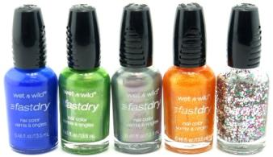

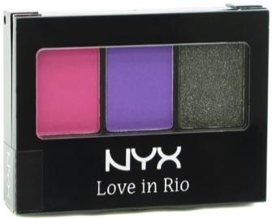
NYX Eye Products
NYX0001 | NYX0001 | 800897822903 | NYX The Sex Bomb Femme Fatale Shadow Palette, 0.21 Ounce | Loose | 72 | 336 | $7.50 | $2.00 | 336 | 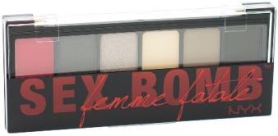
NYX0003 | NYX0003 |  | NYX Cosmetics Love In Rio Eye Shadow Palette - Assorted | Loose | 72 | 1,298 | $8.49 | $1.65
 | NYX0003a | 800897818692 | LIR11 Nighttime In Rio |  |  |  | $8.49 | $1.65 | 516
 | NYX0003b | 800897818722 | LIR14 Moonlit Skinny Dip |  |  |  | $8.49 | $1.65 | 782
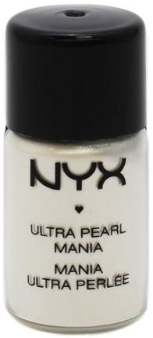
NYX0004 | NYX0004 |  | NYX Ultra Pearl Mania Loose Eye Shadow - Assorted | Loose | 72 | 713 | $11.94 | $1.40
 | NYX0004b | 800897116675 | LP03 White Pearl |  |  |  | $11.94 | $1.40 | 113
 | NYX0004d | 800897116811 | LP17 Yellow Gold |  |  |  | $11.94 | $1.40 | 85
 | NYX0004e | 800897116835 | LP19 Mink |  |  |  | $11.94 | $1.40 | 41
 | NYX0004f | 800897116873 | LP23 Walnut |  |  |  | $11.94 | $1.40 | 237
 | NYX0004g | 800897500023 | LP27 Very Pink Pearl |  |  |  | $11.94 | $1.40 | 237
NYX0005 | NYX0005 |  | NYX Full Throttle Eye Shadow Stick - Assorted | Loose | 72 | 1,153 | $5.75 | $1.90
 | NYX0005a | 800897846053 | FTSS01 Find Your Fire |  |  |  | $5.75 | $1.90 | 235
 | NYX0005b | 800897846060 | FTSS02 Night Walker |  |  |  | $5.75 | $1.90 | 232
 | NYX0005c | 800897846084 | FTSS04 Dangerously |  |  |  | $5.75 | $1.90 | 235
 | NYX0005d | 800897846107 | FTSS06 Cold Fear |  |  |  | $5.75 | $1.90 | 235
 | NYX0005e | 800897846138 | FTSS09 Double Trouble |  |  |  | $5.75 | $1.90 | 216
NYX0011 | NYX0011 |  | NYX Jumbo Eye Pencil Crayon - Assorted | Loose | 72 | 382 | $5.49 | $1.35
 | NYX0011d | 800897115128 | 614 Lavender |  |  |  | $5.49 | $1.35 | 104
 | NYX0011g | 800897808754 | 628 Cucumber |  |  |  | $5.49 | $1.35 | 237
 | NYX0011h | 800897808792 | 632 Peacock |  |  |  | $5.49 | $1.35 | 41
NYX Lip Products
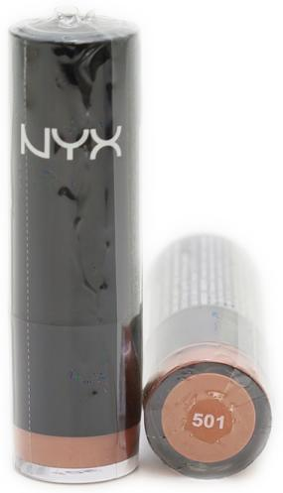
NYX0006 | NYX0006 |  | NYX Lipstick - Assorted | Loose | 72 | 6,616 | $6.99 | $1.65
 | NYX0006a | 800897115524 | LSS501 Iris |  |  |  | $6.99 | $1.65 | 399
 | NYX0006b | 800897142605 | LSS518A Pure Nude |  |  |  | $6.99 | $1.65 | 188
 | NYX0006c | 800897115876 | LSS536 Eros |  |  |  | $6.99 | $1.65 | 362
 | NYX0006d | 800897142667 | LSS563A Chic |  |  |  | $6.99 | $1.65 | 1533
 | NYX0006e | 800897142704 | LSS583A Haute Melon |  |  |  | $6.99 | $1.65 | 237
 | NYX0006f | 800897142766 | LSS594A Marrakesh Pink |  |  |  | $6.99 | $1.65 | 108
 | NYX0006g | 800897121631 | LSS597 Margarita |  |  |  | $6.99 | $1.65 | 149
 | NYX0006h | 800897121921 | LSS626 Vitamin |  |  |  | $6.99 | $1.65 | 431
 | NYX0006i | 800897121969 | LSS630 Pumpkin Pie |  |  |  | $6.99 | $1.65 | 182
 | NYX0006j | 800897121983 | LSS632 Frappucino |  |  |  | $6.99 | $1.65 | 182
 | NYX0006k | 800897122034 | LSS637 Rose |  |  |  | $6.99 | $1.65 | 165
 | NYX0006l | 800897122072 | LSS641 Rose Bud |  |  |  | $6.99 | $1.65 | 353
 | NYX0006m | 800897122096 | LSS643 Femme |  |  |  | $6.99 | $1.65 | 2327
NYX0007a | NYX0007a | 800897132422 | NYX Lip Gloss - RLG 11 Strawberry | Loose | 72 | 252 | $6.49 | $1.40 | 252
NYX0008 | NYX0008 |  | NYX Xtreme Shine Lip Cream - Assorted | Loose | 72 | 1,044 | $11.99 | $1.65
 | NYX0008a | 800897809270 | XLC01 Dolly Girl |  |  |  | $11.99 | $1.65 | 194
 | NYX0008b | 800897809294 | XLC03 Spicy |  |  |  | $11.99 | $1.65 | 246
 | NYX0008c | 800897809300 | XLC04 Buttery Nude |  |  |  | $11.99 | $1.65 | 246
 | NYX0008d | 800897809331 | XLC07 Absolute Red |  |  |  | $11.99 | $1.65 | 112
 | NYX0008e | 800897809348 | XLC08 Skin Tone |  |  |  | $11.99 | $1.65 | 246
NYX0009 | NYX0009 |  | NYX Chunky Dunk Hydrating Lippie Lip Crayon - Assorted | Loose | 72 | 2,009 | $8.49 | $1.65
 | NYX0009a | 800897828981 | CDHL 02 Peach Fuzzy |  |  |  | $8.49 | $1.65 | 285
 | NYX0009b | 800897828998 | CDHL 03 Rum Punch |  |  |  | $8.49 | $1.65 | 281
 | NYX0009c | 800897829025 | CDHL 06 Hibiscus Tea Punch |  |  |  | $8.49 | $1.65 | 243
 | NYX0009d | No UPC | CDHL 06 Hibiscus Tea Punch |  |  |  | $8.49 | $1.65 | 51
 | NYX0009e | 800897829049 | CDHL 08 Pink Bikini |  |  |  | $8.49 | $1.65 | 288
 | NYX0009f | 800897829056 | CDHL 09 Caramel Martini |  |  |  | $8.49 | $1.65 | 285
 | NYX0009g | 800897829070 | CDHL 11 Happy Buddha |  |  |  | $8.49 | $1.65 | 288
 | NYX0009h | 800897829087 | CDHL 12 Orange Splash |  |  |  | $8.49 | $1.65 | 288
NYX0010 | NYX0010 |  | NYX Jumbo Lip Pencil Crayon - Assorted | Loose | 72 | 1,306 | $7.99 | $1.65
 | NYX0010a | 800897114695 | 701 Rosie Brown |  |  |  | $7.99 | $1.65 | 179
 | NYX0010b | 800897114718 | 703 Pink Nude |  |  |  | $7.99 | $1.65 | 246
 | NYX0010c | 800897114794 | 711 Ice Coffee |  |  |  | $7.99 | $1.65 | 24
 | NYX0010d | 800897114848 | 716 Pink Brown |  |  |  | $7.99 | $1.65 | 18
 | NYX0010e | 800897114886 | 720 Honey Nectar |  |  |  | $7.99 | $1.65 | 108
 | NYX0010f | 800897114893 | 721 Soft Fuchsia |  |  |  | $7.99 | $1.65 | 96
 | NYX0010g | 800897114909 | 722 Hera |  |  |  | $7.99 | $1.65 | 246
 | NYX0010h | 800897114923 | 724 Chaos |  |  |  | $7.99 | $1.65 | 219
 | NYX0010i | 800897114961 | 728 Iris |  |  |  | $7.99 | $1.65 | 170

CAR0001 | CAR0001 | 849017003709 | Carmen Electra Lip Gloss 5 Piece Gift Set | Boxed | 12 | 1,068 | $14.99 | $2.20 | 1068 | 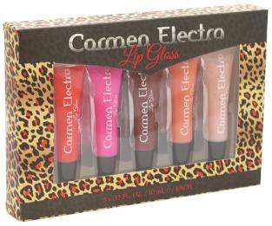
CAR0002 | CAR0002 | 849017003693 | Carmen Electra Nail Polish 5 Piece Gift Set | Boxed | 12 | 2,892 | $14.99 | $2.20 | 2892 | 